DAY 1
CITY CAR WASH, PEDAPALAKALURU, GUNTUR.

 | 02/01/2025
 | Saturday
 |  |  |  |  |  |  | 1250

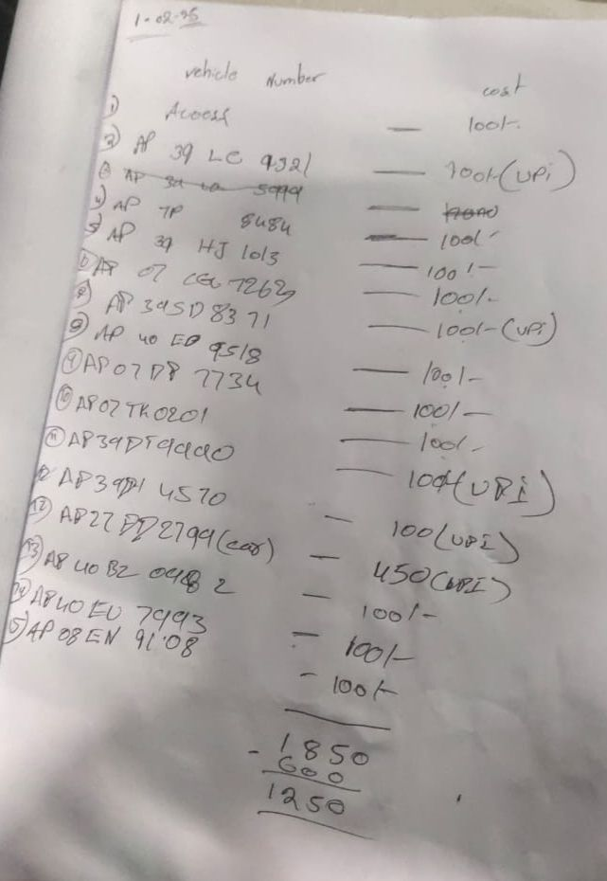
 | CAR PLATE NO. | CAR PRICE | BIKE PLATE NO. | BIKE PRICE |  | NAME | AMOUNT | NAME | AMOUNT
 | AP 27 DD 2799 | 450 | 1 | 100 |  | MONEY FROM OWNER | 0 | PAYOUTS | 600
 |  |  | AP 39 LC 9321 | 100 |  | PENDING PAYMENT(IF RECEIVED) | 0 | PENDING PAYMENTS(IF DUE) | 0
 |  |  | AP 7P 8484 | 100 |  | UPI | 850
 |  |  | AP 39 HJ 1013 | 100 |  | CASH | 1000
 |  |  | AP 07 CG 7263 | 100
 |  |  | AP 39 SD 8371 | 100
 |  |  | AP 40 ED 9518 | 100
 |  |  | AP 07 B8 7734 | 100
 |  |  | AP 07 TK 0201 | 100
 |  |  | AP 39 DT 9990 | 100
 |  |  | AP 39 DI 4570 | 100 |  | TOTAL IN | 1850 | TOTAL OUT | 600
 |  |  | AP 40 BZ 0482 | 100
 |  |  | AP 40 EU 7993 | 100
 |  |  | AP 08 EN 9108 | 100 |  | PENDING PAYMENTS
 |  |  |  |  |  | NAME | NO.OF BIKES | TOTAL AMOUNT
 |  |  |  |  |  | PEDHA JONNY
 |  |  |  |  |  | CHINNA JONNY
 |  |  |  |  |  | BHASIR

 | 1 | 450 | 14 | 1400 |  | TOTAL | 0 | 0

 | TOTAL CARS AND BIKES |  | 15
 | TOTAL BIKE AND CAR PRICE |  | 1850

 |  | PERSONAL PAYOUTS |  |  | STORE EXPENSES |  |  | PAYROLLS
 |  | NAME | CASH | CARD | NAME | CASH | CARD | NAME | CASH | CARD
 |  |  |  |  |  |  |  | SHIVA | 600

 |  |  | 0 | 0 |  | 0 | 0 |  | 600 | 0

DAY 2
CITY CAR WASH, PEDAPALAKALURU, GUNTUR.

 | 02/02/2025
 | Sunday
 |  |  |  |  |  |  | 300 | 1550

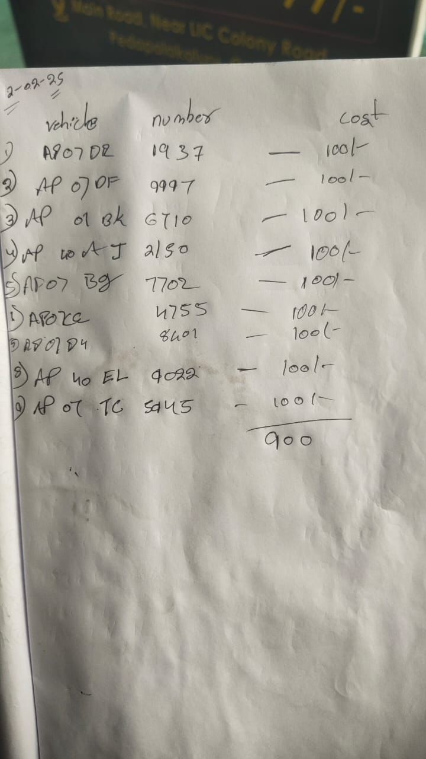
 | CAR PLATE NO. | CAR PRICE | BIKE PLATE NO. | BIKE PRICE |  | NAME | AMOUNT | NAME | AMOUNT
 |  |  | AP 07 DR 1937 | 100 |  | MONEY FROM OWNER | 0 | PAYOUTS | 600
 |  |  | AP 07 DF 9997 | 100 |  | PENDING PAYMENT(IF RECEIVED) | 0 | PENDING PAYMENTS(IF DUE) | 0
 |  |  | AP 07 BK 6710 | 100 |  | UPI
 |  |  | AP 40 AJ 2150 | 100 |  | CASH | 900
 |  |  | AP 07 BG 7702 | 100
 |  |  | AP 07 CC 4755 | 100
 |  |  | AP 07 D4 8401 | 100
 |  |  | AP 40 EL 9022 | 100
 |  |  | AP 07 TC 5045 | 100

 |  |  |  |  |  | TOTAL IN | 900 | TOTAL OUT | 600

 |  |  |  |  |  | PENDING PAYMENTS
 |  |  |  |  |  | NAME | NO.OF BIKES | TOTAL AMOUNT
 |  |  |  |  |  | PEDHA JONNY
 |  |  |  |  |  | CHINNA JONNY
 |  |  |  |  |  | BHASIR

 | 0 | 0 | 9 | 900 |  | TOTAL | 0 | 0

 | TOTAL CARS AND BIKES |  | 9
 | TOTAL BIKE AND CAR PRICE |  | 900

 |  | PERSONAL PAYOUTS |  |  | STORE EXPENSES |  |  | PAYROLLS
 |  | NAME | CASH | CARD | NAME | CASH | CARD | NAME | CASH | CARD
 |  |  |  |  |  |  |  | SHIVA | 600

 |  |  | 0 | 0 |  | 0 | 0 |  | 600 | 0

DAY 3
CITY CAR WASH, PEDAPALAKALURU, GUNTUR.

 | 02/03/2025
 | Monday
 |  |  |  |  |  |  | 650 | 2200

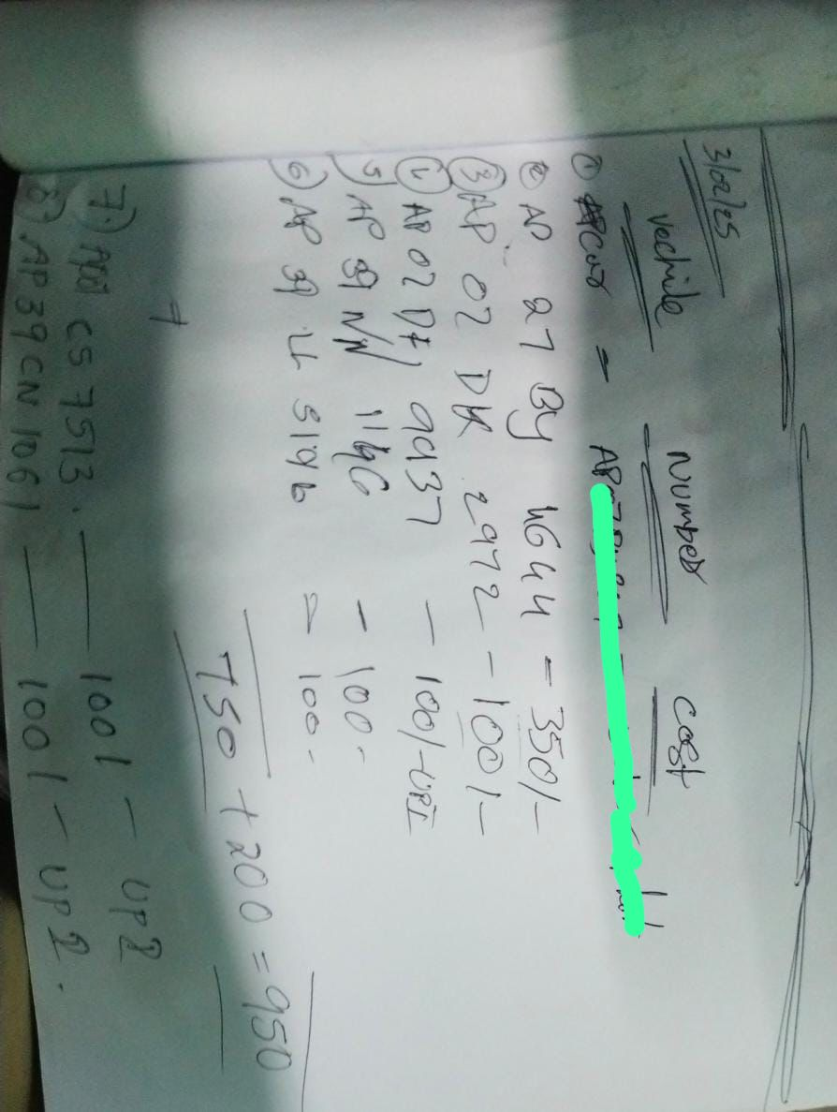
 | CAR PLATE NO. | CAR PRICE | BIKE PLATE NO. | BIKE PRICE |  | NAME | AMOUNT | NAME | AMOUNT
 | AP 27 BY 4644 | 350 | AP 07 DK 2972 | 100 |  | MONEY FROM OWNER | 0 | PAYOUTS | 300
 |  |  | AP 07 DF 2972 | 100 |  | PENDING PAYMENT(IF RECEIVED) | 0 | PENDING PAYMENTS(IF DUE) | 0
 |  |  | AP 39 NN 1146 | 100 |  | UPI | 300
 |  |  | AP 39 LL 5196 | 100 |  | CASH | 650
 |  |  | AP 07 C5 7513 | 100
 |  |  | AP 39 CN 1061 | 100

 |  |  |  |  |  | TOTAL IN | 950 | TOTAL OUT | 300

 |  |  |  |  |  | PENDING PAYMENTS
 |  |  |  |  |  | NAME | NO.OF BIKES | TOTAL AMOUNT
 |  |  |  |  |  | PEDHA JONNY
 |  |  |  |  |  | CHINNA JONNY
 |  |  |  |  |  | BHASIR

 | 1 | 350 | 6 | 600 |  | TOTAL | 0 | 0

 | TOTAL CARS AND BIKES |  | 7
 | TOTAL BIKE AND CAR PRICE |  | 950

 |  | PERSONAL PAYOUTS |  |  | STORE EXPENSES |  |  | PAYROLLS
 |  | NAME | CASH | CARD | NAME | CASH | CARD | NAME | CASH | CARD
 |  |  |  |  |  |  |  | SHIVA | 300

 |  |  | 0 | 0 |  | 0 | 0 |  | 300 | 0

DAY 4
CITY CAR WASH, PEDAPALAKALURU, GUNTUR.

 | 02/04/2025
 | Tuesday
 |  |  |  |  |  |  | 500 | 2700

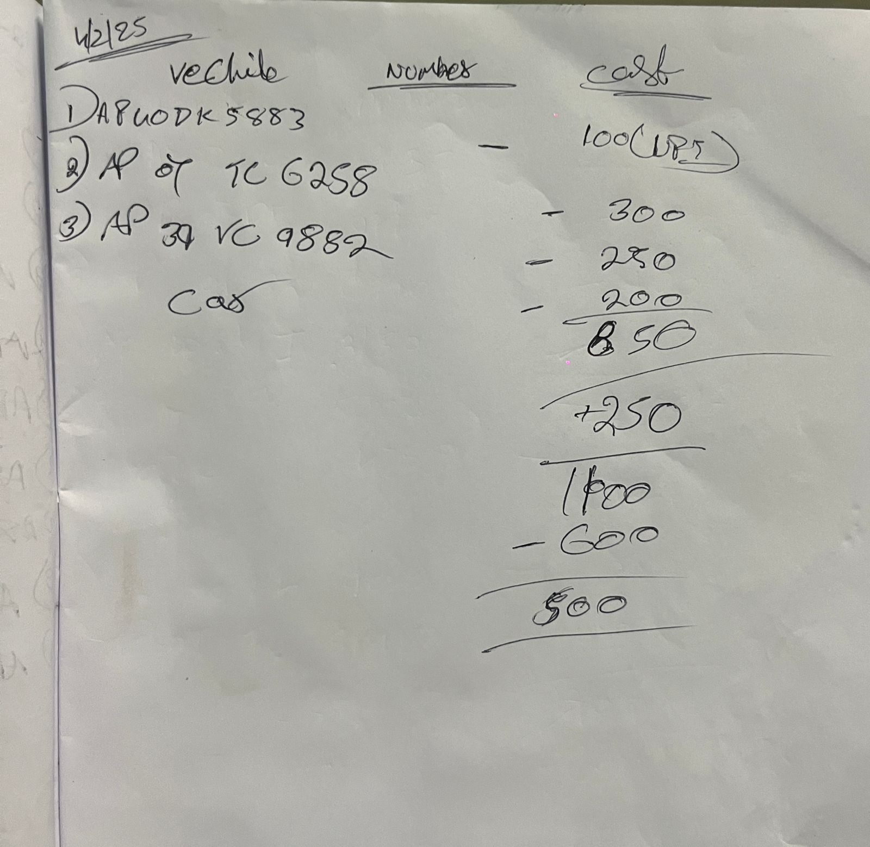
 | CAR PLATE NO. | CAR PRICE | BIKE PLATE NO. | BIKE PRICE |  | NAME | AMOUNT | NAME | AMOUNT
 | AP 07 TC 6258 | 300 | AP 40 DK 5883 | 100 |  | MONEY FROM OWNER | 0 | PAYOUTS | 600
 | AP 39 VC 9882 | 250 |  |  |  | PENDING PAYMENT(IF RECEIVED) | 0 | PENDING PAYMENTS(IF DUE) | 0
 | CAR PLATE NO. | 200 |  |  |  | UPI | 100
 | CAR PLATE NO. | 250 |  |  |  | CASH | 1000

 |  |  |  |  |  | TOTAL IN | 1100 | TOTAL OUT | 600

 |  |  |  |  |  | PENDING PAYMENTS
 |  |  |  |  |  | NAME | NO.OF BIKES | TOTAL AMOUNT
 |  |  |  |  |  | PEDHA JONNY
 |  |  |  |  |  | CHINNA JONNY
 |  |  |  |  |  | BHASIR

 | 4 | 1000 | 1 | 100 |  | TOTAL | 0 | 0

 | TOTAL CARS AND BIKES |  | 5
 | TOTAL BIKE AND CAR PRICE |  | 1100

 |  | PERSONAL PAYOUTS |  |  | STORE EXPENSES |  |  | PAYROLLS
 |  | NAME | CASH | CARD | NAME | CASH | CARD | NAME | CASH | CARD
 |  |  |  |  |  |  |  | SHIVA | 600

 |  |  | 0 | 0 |  | 0 | 0 |  | 600 | 0

DAY 5
CITY CAR WASH, PEDAPALAKALURU, GUNTUR.

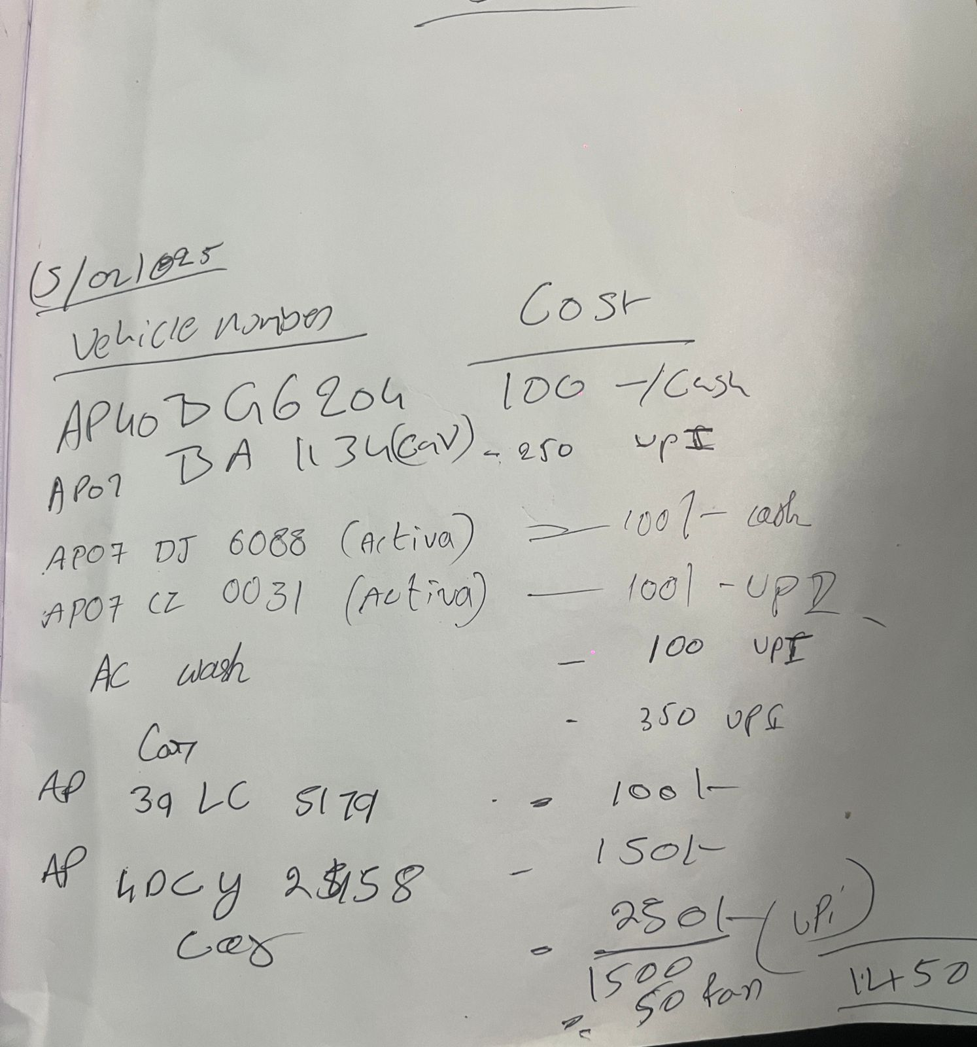
 | 02/05/2025
 | Wednesday
 |  |  |  |  |  |  | -1730 | 970

 | CAR PLATE NO. | CAR PRICE | BIKE PLATE NO. | BIKE PRICE |  | NAME | AMOUNT | NAME | AMOUNT
 | AP07BA1134 | 250 | AP40BG6204 | 100 |  | MONEY FROM OWNER | 0 | PAYOUTS | 3230
 | CAR | 350 | AP07DJ6088 | 100 |  | PENDING PAYMENT(IF RECEIVED) | 0 | PENDING PAYMENTS(IF DUE) | 0
 | CAR | 250 | AP07CZ0031 | 100 |  | UPI | 1050
 |  |  | AC WASH | 100 |  | CASH | 450
 |  |  | AP39LC5179 | 100
 |  |  | AP40CY2458 | 150

 |  |  |  |  |  | TOTAL IN | 1500 | TOTAL OUT | 3230

 |  |  |  |  |  | PENDING PAYMENTS
 |  |  |  |  |  | NAME | NO.OF BIKES | TOTAL AMOUNT
 |  |  |  |  |  | PEDHA JONNY
 |  |  |  |  |  | CHINNA JONNY
 |  |  |  |  |  | BHASIR

 | 3 | 850 | 6 | 650 |  | TOTAL | 0 | 0

 | TOTAL CARS AND BIKES |  | 9
 | TOTAL BIKE AND CAR PRICE |  | 1500

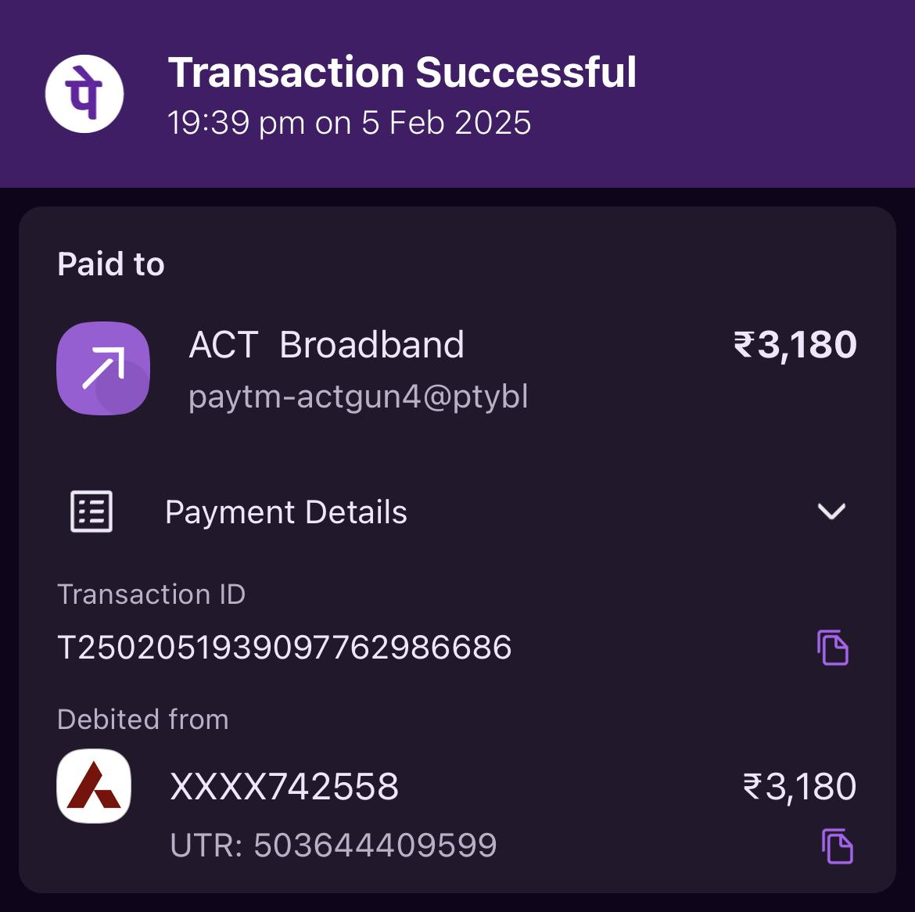
 |  | PERSONAL PAYOUTS |  |  | STORE EXPENSES |  |  | PAYROLLS
 |  | NAME | CASH | CARD | NAME | CASH | CARD | NAME | CASH | CARD
 |  |  |  |  | FAN REPAIR | 50
 |  |  |  |  | INTERNET |  | 3180

 |  |  | 0 | 0 |  | 50 | 3180 |  | 0 | 0

